25KVA
JZPE POWER TRANSFORMER INC. ADD：Longxi Industrial Zone ，JiangYan District,Taizhou City, CHINA Email address： harper@jiezougroup.com Tel:+86 18896773023 Web:www.jiezoupower.com

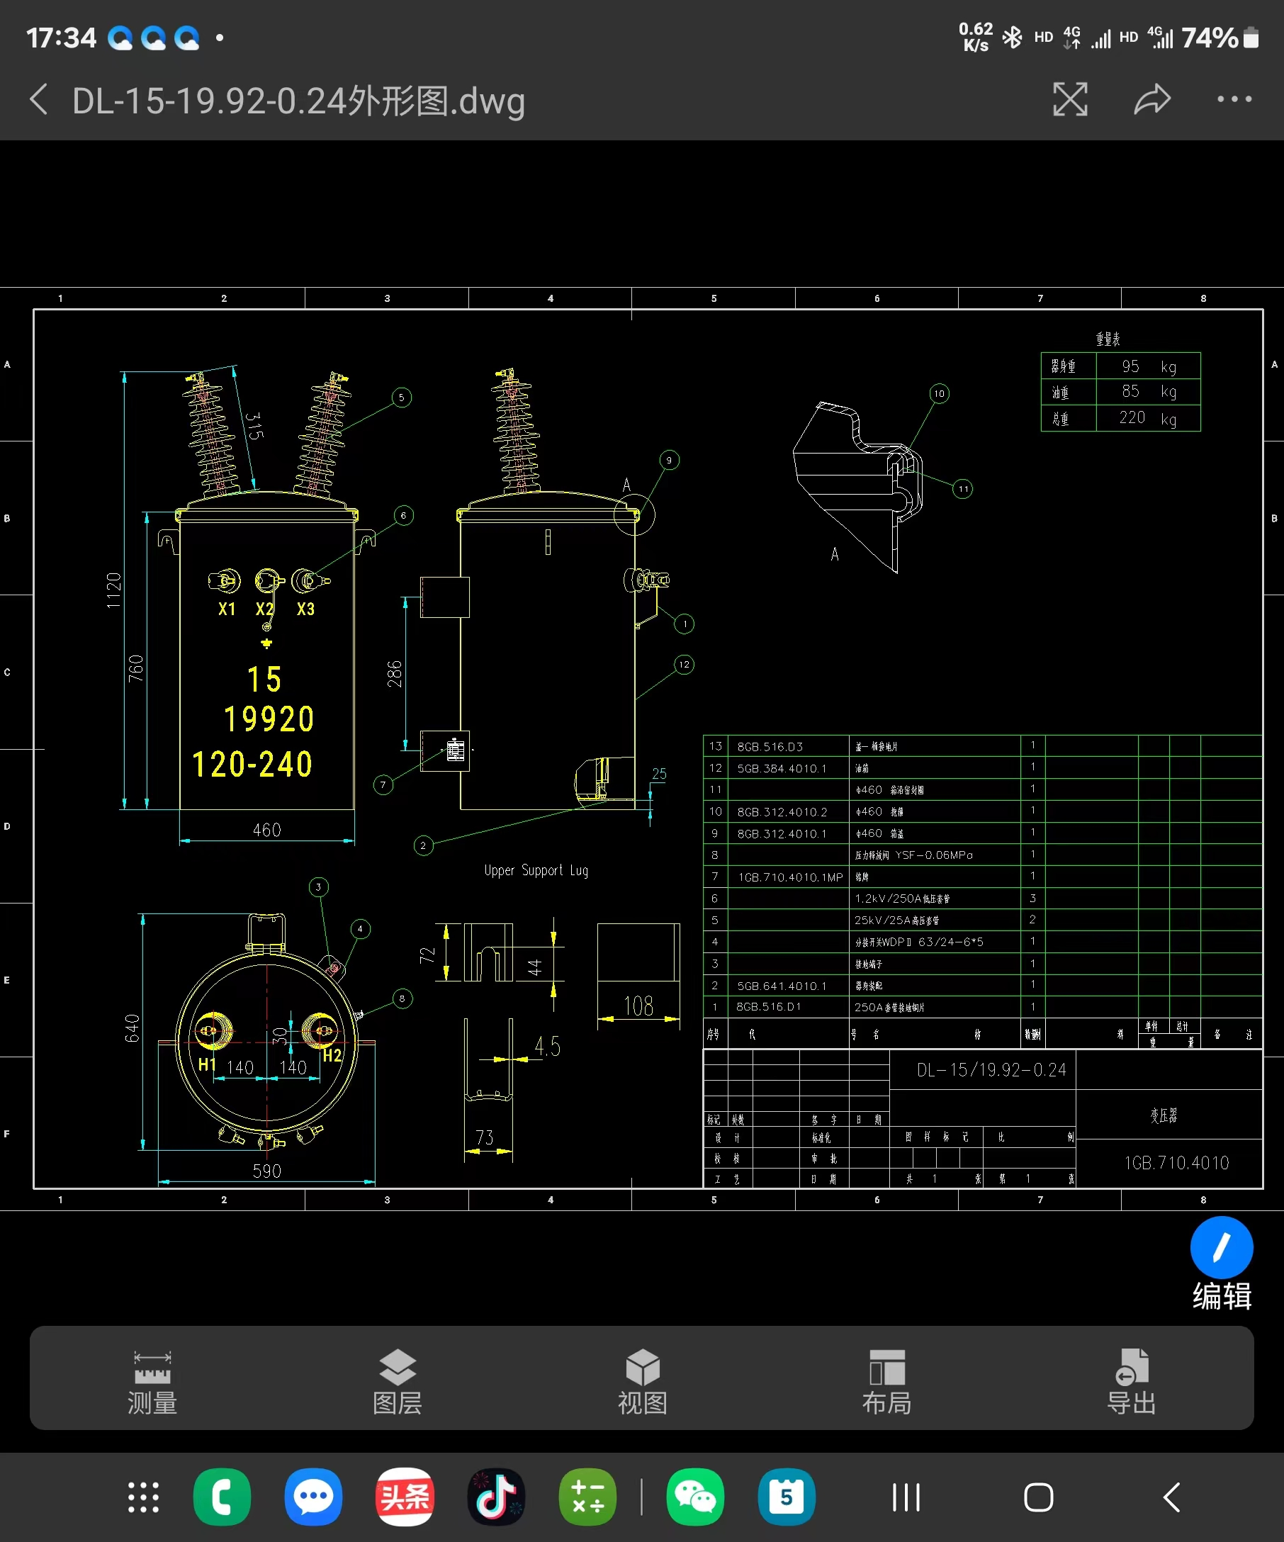
Transformer, Single Phase, Pole Mount, 15kVA
ITEM | DATA | UNIT | Offered | Comment
1 | Supplier | …. | JIEZOU POWER
2 | Model | …. | D-15/13200GrdY/7620Vx 120/240V
3 | Country of origin | …. | CHINA
4 | Standard manufacturing and testing | …. | ANSI C57.12, NEA SBB 24-10
5 | Features
6 | Type |  | With overcurrent protection
7 | Installation |  | Outdoor
8 | Altitude |  | ≤1000m
9 | Rated Power | kVA | 15
10 | HV | V | 13200GrdY/7620
11 | Tap changer |  | ±2x2.5%
12 | LV | V | 120/240
13 | Rated Frequency | Hz | 60
14 | Cooling System |  | ONAN
15 | Core material |  | Silicon steel
16 | Refrigerant |  | Mineral oil (No PCB)
17 | Working-Temperature | °C | -40°C to +40°C
18 | The temperature rise -Top oil | °C | 65
19 | The temperature rise --Winding | °C | 65
20 | Hot spot | °C | 80
21 | Losses
22 | No load losses at rated voltage | W | 50
23 | Load loss at rated voltage at 85°C | W | 195
24 | Winding material |  | Copper
25 | Insulation class | kV | 15
26 | BIL | kV | 95
27 | Low voltage
28 | Insulation class | kV | 1.2
29 | BIL | kV | 30
30 | Short-circuit capability
31 | withstand capability per unit of base current (symmetrical) |  | 83/830A
32 | Duration in cycles |  | 2
33 | Impedance | % | 1.2-2.5%
34 | Impedance tolerance |  | ±7.5%
35 | Tank |  | Mild steel
36 | Colors |  | Grey
37 | Total Dimentions for reference
38 | Length | INCH | 23.23 | Specific configurations are subject to order design
39 | Width | INCH | 25.20
40 | Height | INCH | 44.09
41 | Weight
42 | Oil | L | 85
43 | Total | LBS | 485
The above size and weight information is for reference only, the actual order design shall prevail.
44 | Accessories including:
45 | Lifting Lug |  | 2 | Specific configurations are subject to order design
46 | Grouding connector |  | 2
47 | Nameplate |  | 1
48 | Bottom Bracket |  | 2
49 | Pressure Relief Valve |  | 1
50 | HV bushing |  | 1
51 | LV Bushing |  | 3
52 | Tap changer |  | 1
53 | Ground Steel Pads |  | 4
54 | Cover |  | 1
The list of accessories is based on the drawing design
55 | Routine test |  | YES
56 | Warranty | Years | 2

